Sheet1
 |  |  |  |  |  |  |  |  | HOME PAGE

navbar |  | HOME | MENU | RESERVATIONS | ABOUT US | LOCATIONS

 |  |  |  |  |  |  |  |  | Body{
 |  |  |  |  |  |  |  |  | FONT-FAMILY Proxima-nova; style: normal
 |  |  |  |  |  |  |  |  | Font color: white
 |  |  |  |  |  |  |  |  | uppercase letters
 |  |  |  |  |  |  |  |  | LINK FOR IMAGE FILE}

 |  |  |  |  |  |  |  |  | footer{
 |  |  |  |  |  |  |  |  | FONT-FAMILY Proxima-nova; style: normal
 |  |  |  |  |  |  |  |  | background-color: #737373
 |  |  | RESTAURANT NAME |  |  |  |  |  | color:white}

 |  |  | SOME KIND OF PHOTO IN THE BACKGROUND

 | fb logo | tw logo
 |  | LOCATIONS |  |  | HOURS

 |  |  |  |  |  |  |  |  | MENU PAGE

 |  | HOME | MENU | RESERVATIONS | ABOUT US | LOCATIONS |  | NAV BAR

 |  |  | MENU

 |  |  | SOME KIND OF PHOTO IN THE BACKGROUND

 |  |  |  |  |  |  |  | HEADER
 |  |  |  |  |  |  |  | BODY
 |  |  |  | CONTENT EXAMPLE

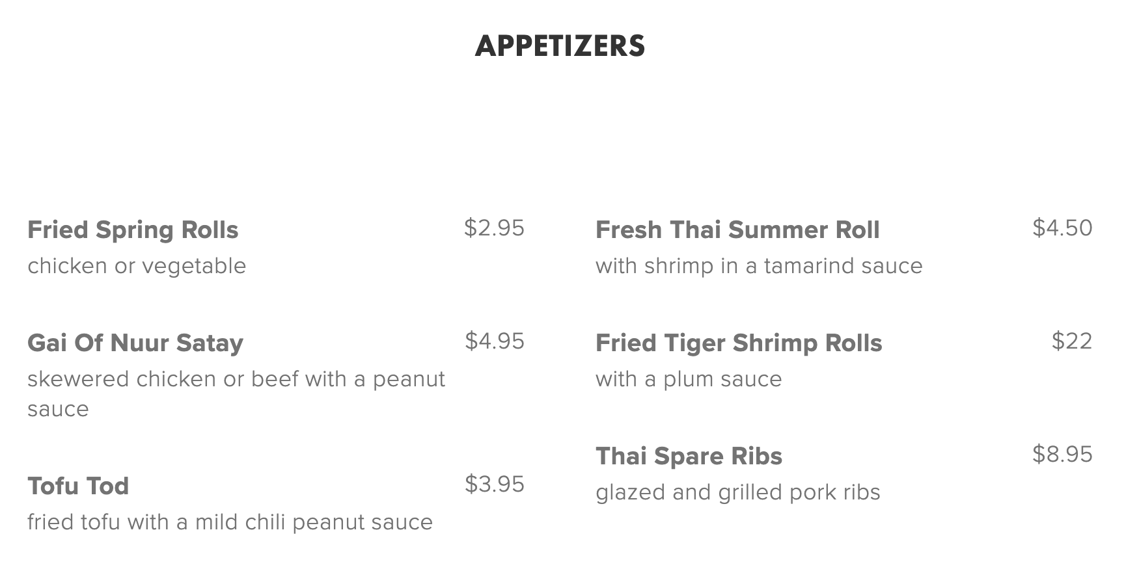

 |  |  | WHITE BACKGROUND

 |  |  | FONT-FAMILY Proxima-nova; style: normal

 | fb logo | tw logo |  |  |  |  |  |  | footer{
 |  | LOCATIONS |  |  | HOURS |  |  |  | FONT-FAMILY Proxima-nova; style: normal
 |  |  |  |  |  |  |  |  | background-color: #737373
 |  |  |  |  |  |  |  |  | color:white}

 |  |  |  |  |  |  |  |  | ABOUT US PAGE

 |  | HOME | MENU | RESERVATIONS | ABOUT US | LOCATIONS

 |  | IMAGE 1 IN THE BACKGROUND WITH COMPANY`S MISSION STATEMENT UP-FRONT

 |  |  | ONLY IMAGE

 |  | ONLY IMAGE |  |  | ONLY IMAGE

 | fb logo | tw logo |  |  |  |  |  |  | footer{
 |  | LOCATIONS |  |  | HOURS |  |  |  | FONT-FAMILY Proxima-nova; style: normal
 |  |  |  |  |  |  |  |  | background-color: #737373
 |  |  |  |  |  |  |  |  | color:white}

 |  | HOME | MENU | RESERVATIONS | ABOUT US | LOCATIONS |  |  | RESERVATION PAGE

 |  |  | RESERVATIONS

 |  |  | SOME KIND OF PHOTO IN THE BACKGROUND

 |  |  |  | WEB FORM
 |  |  |  | CONTENT EXAMPLE

 |  |  |  |  |  |  |  |  | CHOOSE LOCATION

 |  |  |  |  |  |  |  |  | NAME
 |  |  |  |  |  |  |  |  | DATE
 |  |  | WHITE BACKGROUND |  |  |  |  |  | TIME
 |  |  |  |  |  |  |  |  | #OF PEOPLE
 |  |  | FONT-FAMILY Proxima-nova; style: normal |  |  |  |  |  | PHONE
 |  |  |  |  |  |  |  |  | EMAIL

 | fb logo | tw logo
 |  | LOCATIONS |  |  | HOURS

 |  |  |  |  |  |  |  |  | LOCATIONS PAGE

 |  |  | HOME | MENU | RESERVATIONS | ABOUT US | LOCATIONS |  | nav bar

 |  |  |  |  |  |  |  |  | Body{
 |  |  |  | LOCATIONS |  |  |  |  | FONT-FAMILY Proxima-nova; style: normal
 |  |  |  |  |  |  |  |  | Font color: white
 |  |  |  |  |  |  |  |  | uppercase letters
 |  |  |  |  | RESTAURANT NAME |  |  |  | LINK FOR IMAGE FILE}

 |  |  |  | SOME BACKGROUND IMAGE

 |  |  | LOCATION 1 |  |  | LOCATION 2

 |  |  |  | WHITE BACKGROUND

 |  |  |  | FONT-FAMILY Proxima-nova; style: normal |  |  |  |  | THIS SECTION SAME STYLE LIKE MENU

 |  |  |  | fb logo |  | tw logo |  |  | footer{
 |  |  |  |  | Company`s name |  |  |  | FONT-FAMILY Proxima-nova; style: normal
 |  |  |  |  |  |  |  |  | background-color: #737373
 |  |  |  |  |  |  |  |  | color:white}

